Lacoste
 |  |  |  |  |  | 2/XS | 3/S | 4/M | 5/L | 6/XL | 7/XXL | 8/3XL | 9/4XL | 10/5XL | 11/6XL
 | Color | artikelcode | Picture | Normal buy inn | Retail |  |  |  |  |  |  |  |  |  |  | Total
L1212-00 | T03 | L1212_T03 |  | 38.00 € | 95.00 € | 10 | 25 | 40 | 45 | 35 | 25 | 15 | 5 |  |  | 200
L1212-00 | Z7Z | L1212_Z7Z |  | 38.00 € | 95.00 € | 8 | 13 | 24 | 277 | 333 | 163 | 11 | 4 |  |  | 833
L1212-00 | Z1G | L1212_031 |  | 38.00 € | 95.00 € | 20 | 50 | 90 | 100 | 90 | 15 | 1 | 20 |  |  | 386
L1212-00 | 132 | L1212-132 | 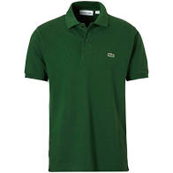 | 38.00 € | 95.00 € | 15 | 20 | 50 | 80 | 20 | 28 |  |  |  |  | 213
L1212-00 | 166 | L1212-166 |  | 38.00 € | 95.00 € | 25 | 80 | 100 | 150 | 120 | 45 | 6 | 20 |  |  | 546
L1212-00 | 240 | L1212-240 | 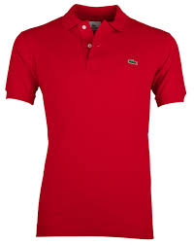 | 38.00 € | 95.00 € |  | 25 | 25 | 25 |  | 25 |  |  |  |  | 100
L1212-01 | 2gf | L1212-2gf | 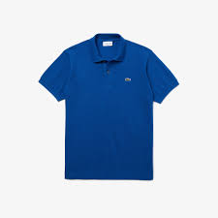 | 38.00 € | 95.00 € | 2 | 8 | 18 | 13 | 9 | 7 | 12 | 7 | 4 | 1 | 81
L1212-00 | yyx | L1212-yyx |  | 38.00 € | 95.00 € | 3 | 7 | 16 | 17 | 14 | 9 | 4 | 2 | 2 |  | 74
L1212-00 | CCA | L1212_cca | 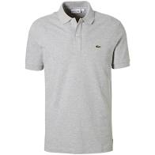 | 38.00 € | 95.00 € | 12 | 27 | 34 | 48 | 51 | 23 |  |  |  |  | 195

 |  |  |  |  |  |  |  |  |  |  |  |  |  |  |  | 2,628

